login BUG_LI_001
Category | Label | Value
Bug ID | ID number | BUG_LI_001
 | Name | Missing Login Button but Logout Button Redirects to Login Page
 | Reporter | Lobna Elnaggar
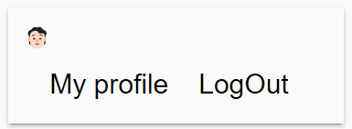
 | Submit Date | 2024-10-11
Bug overview | Summary | The login button is missing on the login page, but the logout button successfully navigates the user back to the login page after logging out.
 | URL | https://stackblitzstartersmiwkqz-3kkx--4200--134daa3c.local-credentialless.webcontainer.io/home
 | Screenshot (Evidence)
Environment | Platform | HP
 | Operating System | Windows11
 | Browser | Chrome Version 129.0
Bug details | Steps to reproduce | Simplified Steps of the test case
 | Expected result | A visible and functional login button should be present on the login page.
 | Actual result | The login button is missing from the login page. The logout button successfully navigates to the login page, but there is no login button present to re-enter credentials.
 | Description | N/A
Bug tracking | Severity(Critical - Major - Minor) | Critical
 | Assigned to | Developer
 | Priority | High
Notes | Notes | N/A

logout BUG_LO_001
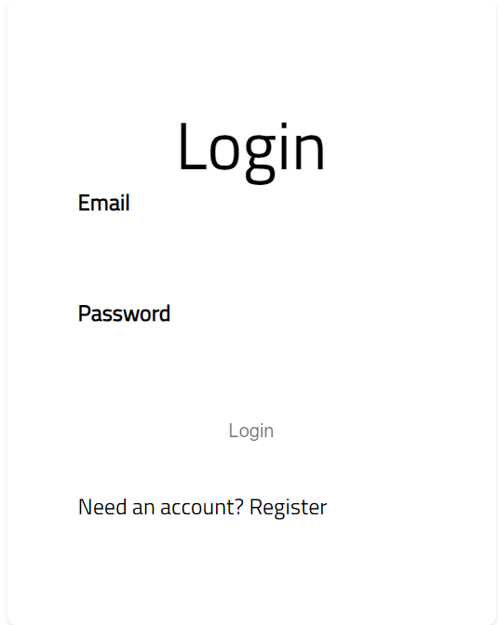
Category | Label | Value
Bug ID | ID number | BUG_LO_001
 | Name | Verify that the user can successfully reset their password using the 'Forgot Password' feature
 | Reporter | Lobna Elnaggar
 | Submit Date | 2024-10-09
Bug overview | Summary | The 'Forgot Password' button is missing on the login page, preventing users from initiating the password recovery process.
 | URL | https://stackblitzstartersmiwkqz-3kkx--4200--134daa3c.local-credentialless.webcontainer.io/login
 | Screenshot (Evidence)
Environment | Platform | HP
 | Operating System | Windows11
 | Browser | Chrome Version 129.0
Bug details | Steps to reproduce | Simplified Steps of the test case
 | Expected result | The 'Forgot Password' button should be present on the login page, allowing users to initiate the password recovery process.
 | Actual result | The Forgot Password button is missing on the login page, which prevents users from initiating the password recovery process.
 | Description | N/A
Bug tracking | Severity(Critical - Major - Minor) | Critical
 | Assigned to | Developer
 | Priority | High
Notes | Notes | N/A

Home Bug_TC_5_001
Category | Label | Value
Bug ID | ID number | Bug_TC_5_001
 | Name | Home page is empty page with no data before user being logged in
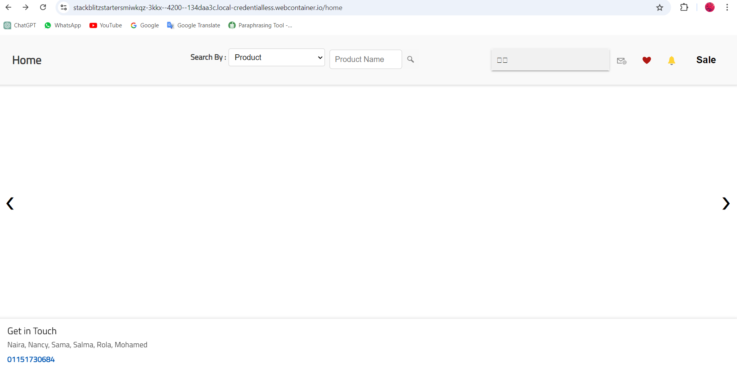
 | Reporter | Sara Hamed
 | Submit Date | 2024-10-08
Bug overview | Summary | Home page is just a white page with no data before user being logged in
 | URL | https://stackblitz.com/edit/stackblitz-starters-miwkqz?file=src%2Fapp%2Fnavbar%2Fnavbar.component.html
 | Screenshot (Evidence) | evidence
Environment | Platform | Lenovo
 | Operating System | Windows11
 | Browser | Chrome v10.1
Bug details | Steps to reproduce | Simplified Steps of the test case
 | Expected result | The "Home" page loads successfully, showing all content, navigation, etc.
 | Actual result | Home page is empty page with no data before user being logged in
 | Description
Bug tracking | Severity(Critical - Major - Minor) | Critical
 | Assigned to | Developer
 | Priority | Medium
Notes | Notes

Home Bug_TC_5_005
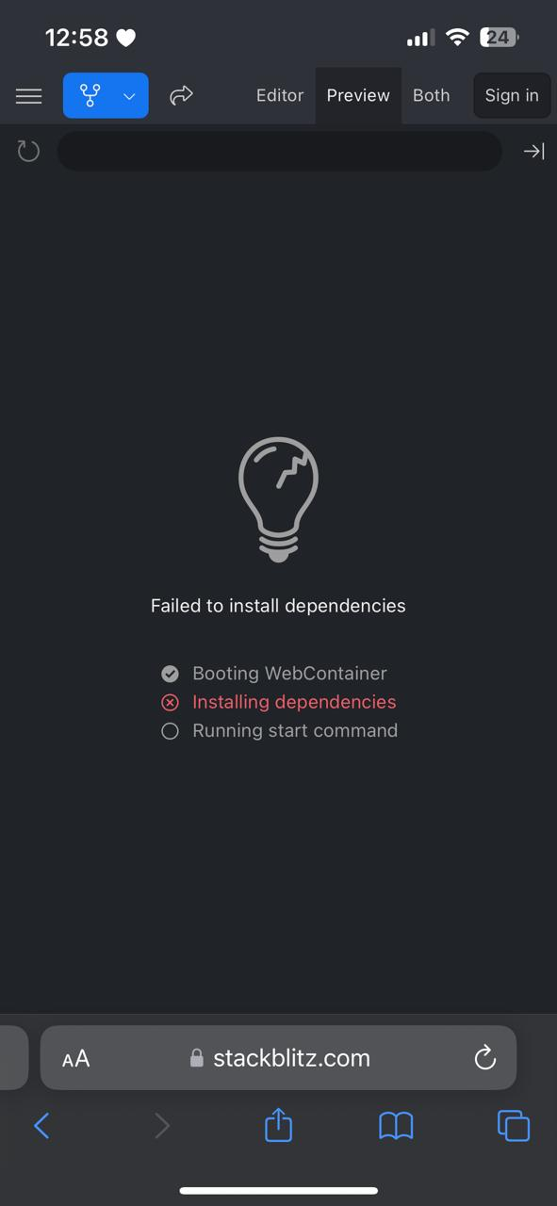
Category | Label | Value
Bug ID | ID number | Bug_TC_5_005
 | Name | website doen't work on mobile devises
 | Reporter | Sara Hamed
 | Submit Date | 2024-10-08
Bug overview | Summary | website doen't work on mobile devises
 | URL | https://stackblitz.com/edit/stackblitz-starters-miwkqz?file=src%2Fapp%2Fnavbar%2Fnavbar.component.html
 | Screenshot (Evidence) | evidence
Environment | Platform | I phone 14
 | Operating System | ios 17.7
 | Browser | Safari
Bug details | Steps to reproduce | Simplified Steps of the test case
 | Expected result | The website launched correctly, with no overlapping or hidden content.
 | Actual result | website doen't work on mobile devises
 | Description
Bug tracking | Severity(Critical - Major - Minor) | Major
 | Assigned to | Developer
 | Priority | Medium
Notes | Notes

Home Bug_TC_5_007
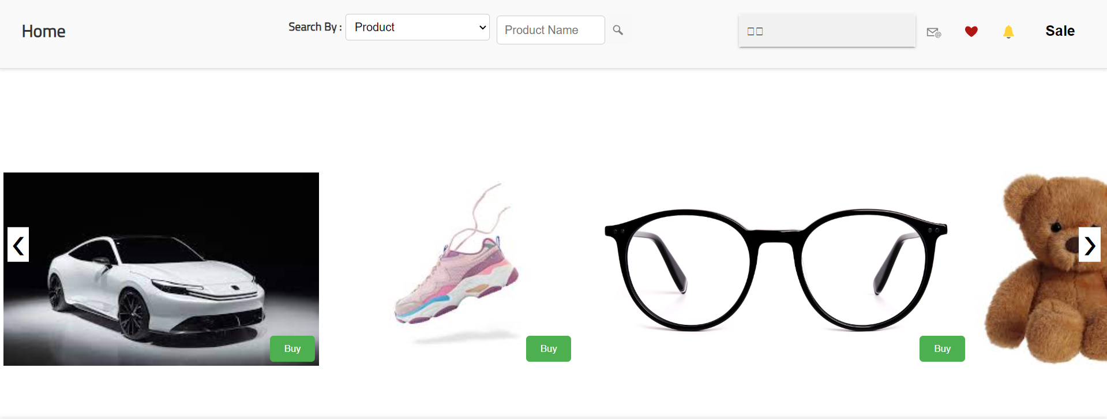
Category | Label | Value
Bug ID | ID number | Bug_TC_5_007
 | Name | contents on the "Home" page
 | Reporter | Sara Hamed
 | Submit Date | 2024-10-08
Bug overview | Summary | Items occur on home page with no descriptions
 | URL | https://stackblitz.com/edit/stackblitz-starters-miwkqz?file=src%2Fapp%2Fnavbar%2Fnavbar.component.html
 | Screenshot (Evidence) | evidence
Environment | Platform | Lenovo
 | Operating System | Windows11
 | Browser | Chrome v10.1
Bug details | Steps to reproduce | Simplified Steps of the test case
 | Expected result | All text is readable, images are visible, and videos are playable.
 | Actual result | items occur on home page with no descriptions
 | Description
Bug tracking | Severity(Critical - Major - Minor) | Critical
 | Assigned to | Developer
 | Priority | Medium
Notes | Notes

Favorite List Bug_TC_6_001
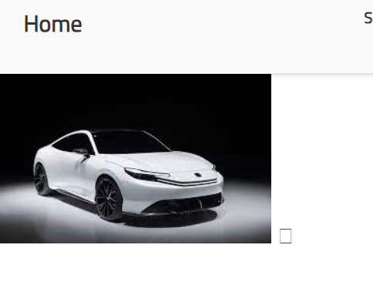
Category | Label | Value
Bug ID | ID number | Bug_TC_6_001
 | Name | no clear way to add Item to Favorite
 | Reporter | Sara Hamed
 | Submit Date | 2024-10-08
Bug overview | Summary | no (add to favorite text and heart button is appear as a square one)
 | URL | https://stackblitz.com/edit/stackblitz-starters-miwkqz?file=src%2Fapp%2Fnavbar%2Fnavbar.component.html
 | Screenshot (Evidence) | evidence
Environment | Platform | Lenovo
 | Operating System | Windows11
 | Browser | Chrome v10.1
Bug details | Steps to reproduce | Simplified Steps of the test case
 | Expected result | The item is successfully added to the Favorite list by Pressing on Heart or clicking on Add to Favorite Text.
 | Actual result | no clear ("Add to favorite" text and The "heart" button is appear as a square one)
 | Description
Bug tracking | Severity(Critical - Major - Minor) | Critical
 | Assigned to | Developer
 | Priority | Medium
Notes | Notes

Favorite List Bug_TC_6_004
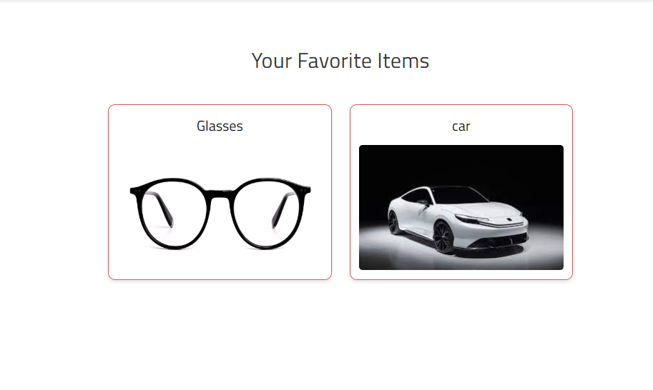
Category | Label | Value
Bug ID | ID number | Bug_TC_6_004
 | Name | no description of items in favorite list
 | Reporter | Sara Hamed
 | Submit Date | 2024-10-08
Bug overview | Summary | no description of items in favorite list
 | URL | https://stackblitzstartersmiwkqz-3kkx--4200--134daa3c.local-credentialless.webcontainer.io/favourites
 | Screenshot (Evidence) | Evidence
Environment | Platform | Lenovo
 | Operating System | Windows11
 | Browser | Chrome v10.1
Bug details | Steps to reproduce | Simplified Steps of the test case
 | Expected result | All items in the Favorite are displayed with correct details.
 | Actual result | no description of items in favorite list.
 | Description
Bug tracking | Severity(Critical - Major - Minor) | Critical
 | Assigned to | Developer
 | Priority | Medium
Notes | Notes

Search Bug_TC_7_001
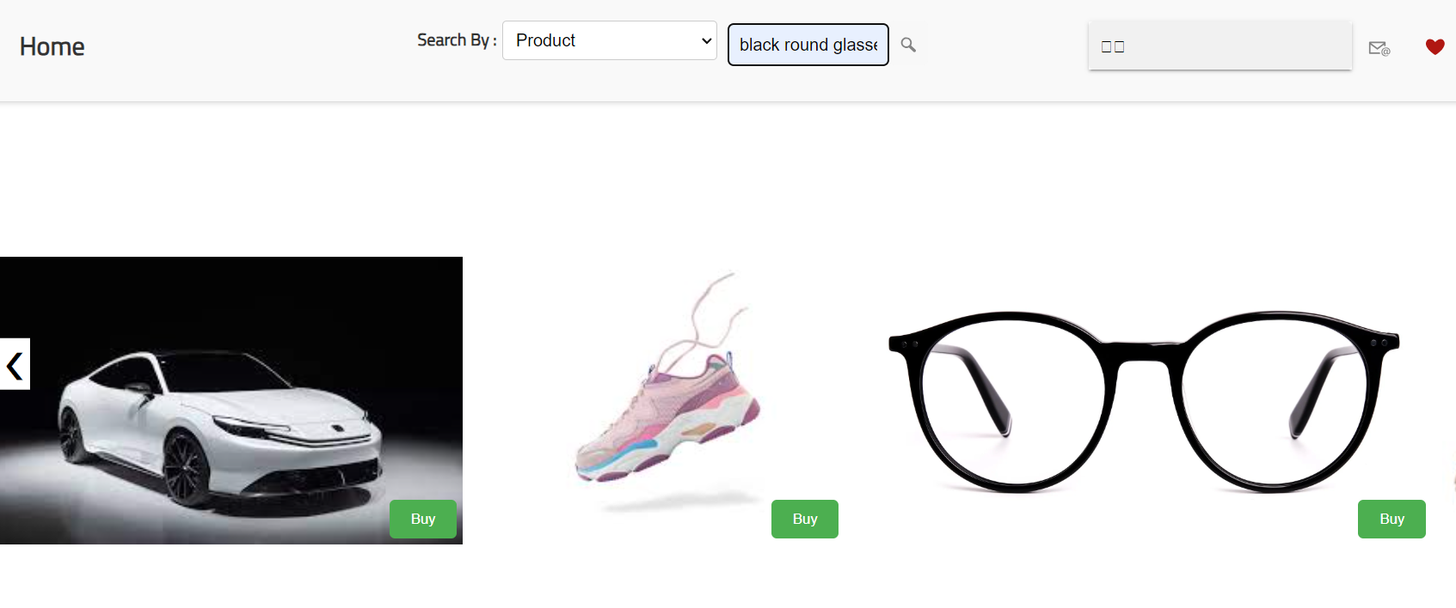
Category | Label | Value
Bug ID | ID number | Bug_TC_7_001
 | Name | No Reslut when searching by product full name or parial name
 | Reporter | Sara Hamed
 | Submit Date | 2024-10-08
Bug overview | Summary | No Reslut when searching by product full name or parial name
 | URL | https://stackblitz.com/edit/stackblitz-starters-miwkqz?file=src%2Fapp%2Fnavbar%2Fnavbar.component.html
 | Screenshot (Evidence) | -

Environment | Platform | Lenovo
 | Operating System | Windows11
 | Browser | Chrome v10.1
Bug details | Steps to reproduce | Simplified Steps of the test case
 | Expected result | The search results display products matching the entered name.
 | Actual result | No Reslut when searching by product full name or parial name
 | Description
Bug tracking | Severity(Critical - Major - Minor) | Critical
 | Assigned to | Developer
 | Priority | Medium
Notes | Notes

Message Bug_M_001
Category | Label | Value
Bug ID | ID number | Bug_TC_M_001
 | Name | Valid Login while account is locked
 | Reporter | Naira Zein
 | Submit Date | 2024-10-11
Bug overview | Summary | User can't message himself(shouldnt find a chat for himself )
 | URL | https://stackblitz.com/edit/stackblitz-starters-miwkqz?file=src%2Fapp%2Fnavbar%2Fnavbar.component.html
 | Screenshot (Evidence)
Environment | Platform | DELL G3
 | Operating System | Windows10
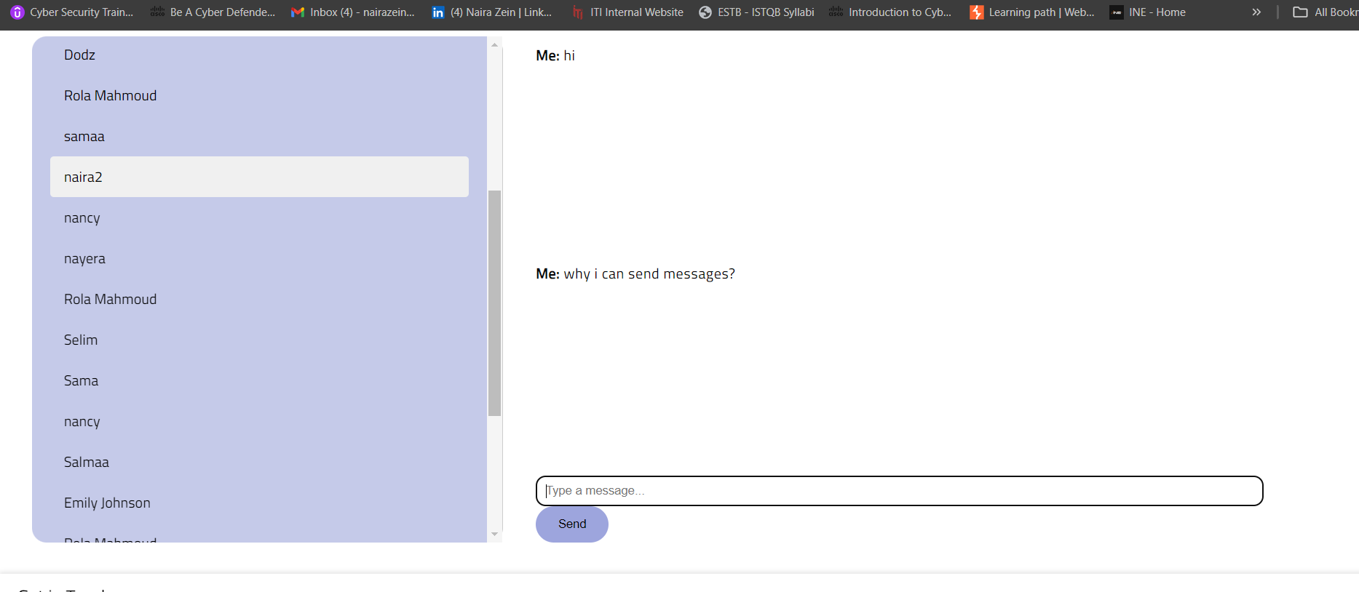
 | Browser | Chrome v10.1
Bug details | Steps to reproduce | 1)click on website link 2)check user name you logged in with 3)click on 📧 4)login to website 5)Look for this user name
 | Expected result | User shouldn't find himself between users
 | Actual result | There is a chat for this user
 | Description
Bug tracking | Severity(Critical - Major - Minor) | Major
 | Assigned to | Developer
 | Priority | Medium
Notes | Notes

Message Bug_M_003
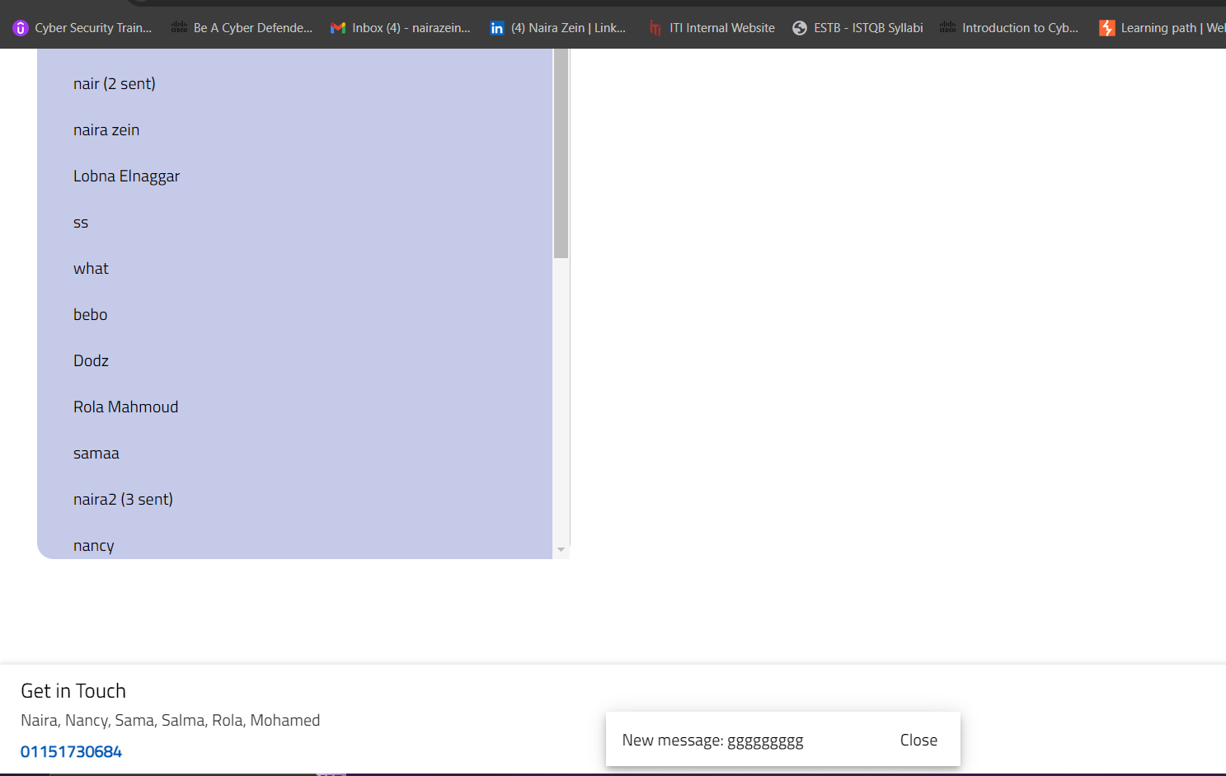
Category | Label | Value
Bug ID | ID number | Bug_TC_M_003
 | Name | check notification is recived even many users sent
 | Reporter | Naira Zein
 | Submit Date | 2024-10-11
Bug overview | Summary | check that there is a little notification when a new message recieved
 | URL | https://stackblitz.com/edit/stackblitz-starters-miwkqz?file=src%2Fapp%2Fnavbar%2Fnavbar.component.html
 | Screenshot (Evidence)
Environment | Platform | DELL G3
 | Operating System | Windows10
 | Browser | Chrome v10.1
Bug details | Steps to reproduce | 1)click on website link 2)click on 📧 3)login to website 4)Look for notification apears down
 | Expected result | many notificatins appears as there is 2 users sent messages
 | Actual result | only last message appears
 | Description
Bug tracking | Severity(Critical - Major - Minor) | Critical
 | Assigned to | Developer
 | Priority | high
Notes | Notes

Analytics Bug_A_003
Category | Label | Value
Bug ID | ID number | Bug_A_003
 | Name | user can see 2 words beside them column color to click them
 | Reporter | Naira Zein
 | Submit Date | 2024-10-11
Bug overview | Summary | user can see 2 words beside them column color to click them and each word descripe a spacific column
 | URL | https://stackblitz.com/edit/stackblitz-starters-miwkqz?file=src%2Fapp%2Fnavbar%2Fnavbar.component.html
 | Screenshot (Evidence)
Environment | Platform | DELL G3
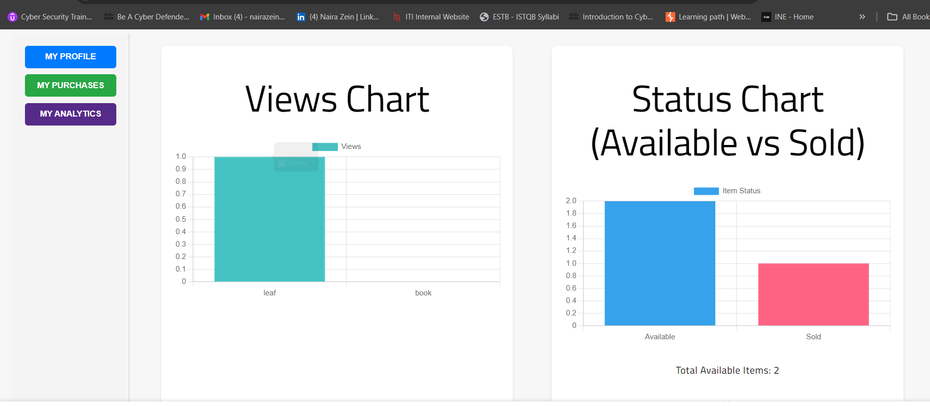
 | Operating System | Windows10
 | Browser | Chrome v10.1
Bug details | Steps to reproduce | 1)click on website link 2)enter user name & passward 2)click on 🧑🏻 3)click on "My Profile " 4)click on "My Analytics" 5)look at the Status chart
 | Expected result | user should see 2 words "available" "sold" and beside them 2 colors of each coulmn
 | Actual result | only 1 word "status" appears with available column color
 | Description
Bug tracking | Severity(Critical - Major - Minor) | Critical
 | Assigned to | Developer
 | Priority | medium
Notes | Notes

item Bug_TC_VI_003
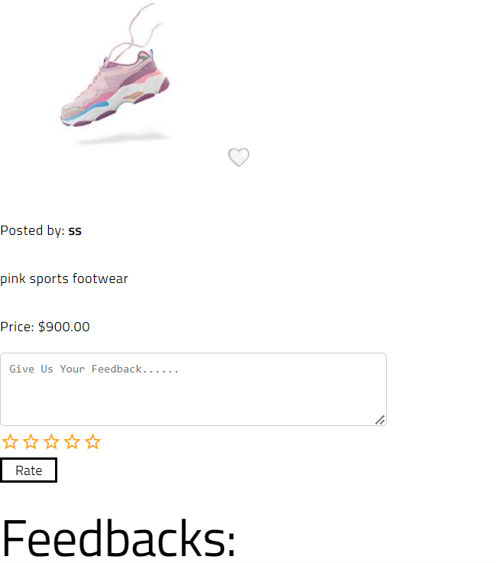
Category | Label | Value
Bug ID | ID number | Bug_TC_VI_003
 | Name | No Button For Add to Cart
 | Reporter | Heba Anter
 | Submit Date | 2024-10-11
Bug overview | Summary | In view item page, there is no button for add item to cart
 | URL | https://stackblitzstartersmiwkqz-3kkx--4200--134daa3c.local-credentialless.webcontainer.io/item/A7eUDwwSt0Nc4a7HLwXm
 | Screenshot (Evidence)
Environment | Platform | Lenovo thinkpad
 | Operating System | Windows11
 | Browser | Chrome v10.1
Bug details | Steps to reproduce | 1. Load the item page. 2.Click "Add to Cart."
 | Expected result | Item is added to the cart.
 | Actual result | there is no button for add to cart
 | Description | N/A
Bug tracking | Severity(Critical - Major - Minor) | Critical
 | Assigned to | Developer
 | Priority | high
Notes | Notes

item Bug_TC_VI_006
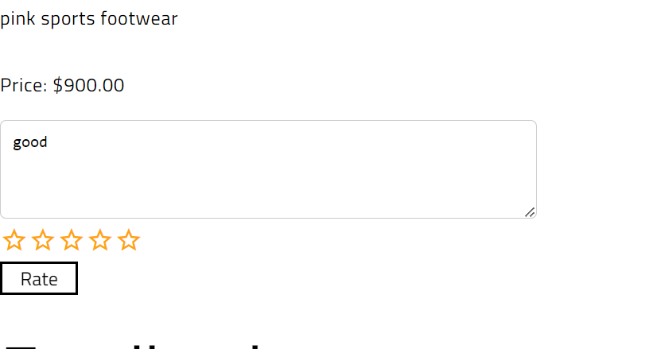
Category | Label | Value
Bug ID | ID number | TC_VI_006
 | Name | Feedback as comment without stars
 | Reporter | Heba Anter
 | Submit Date | 2024-10-11
Bug overview | Summary | system required stars with comment to submit feedback
 | URL | https://stackblitzstartersmiwkqz-3kkx--4200--134daa3c.local-credentialless.webcontainer.io/item/A7eUDwwSt0Nc4a7HLwXm
 | Screenshot (Evidence)
Environment | Platform | Lenovo thinkpad
 | Operating System | Windows11
 | Browser | Chrome v10.1
Bug details | Steps to reproduce | 1. Enter feedback and write comment only 2. Click "Submit."
 | Expected result | feedback should displays as text without stars
 | Actual result | system doesn't submit without make rating
 | Description | N/A
Bug tracking | Severity(Critical - Major - Minor) | Minor
 | Assigned to | Developer
 | Priority | Medium
Notes | Notes

item Bug_TC_VI_007
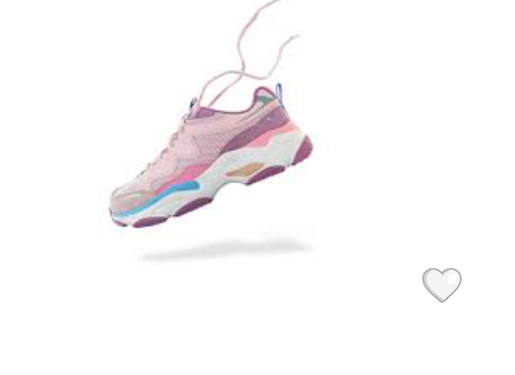
Category | Label | Value
Bug ID | ID number | TC_VI_007
 | Name | Zoom in image doesn't work
 | Reporter | Heba Anter
 | Submit Date | 2024-10-11
Bug overview | Summary | when click on image of item is not zoomed for a closer view
 | URL | https://stackblitzstartersmiwkqz-3kkx--4200--134daa3c.local-credentialless.webcontainer.io/item/A7eUDwwSt0Nc4a7HLwXm
 | Screenshot (Evidence)
Environment | Platform | Lenovo thinkpad
 | Operating System | Windows11
 | Browser | Chrome v10.1
Bug details | Steps to reproduce | 1. Click on the product image.
 | Expected result | Image zooms in for a closer view.
 | Actual result | Image is not zoomed
 | Description | N/A
Bug tracking | Severity(Critical - Major - Minor) | Minor
 | Assigned to | Developer
 | Priority | Low
Notes | Notes

item Bug_TC_VI_008
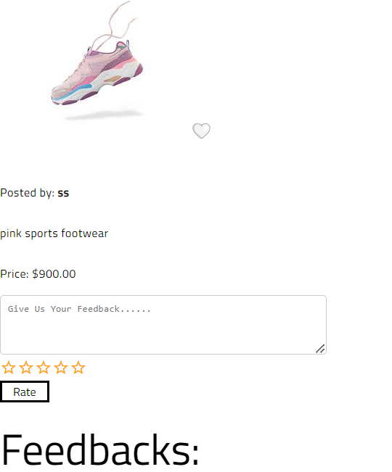
Category | Label | Value
Bug ID | ID number | TC_VI_008
 | Name | Availability Status
 | Reporter | Heba Anter
 | Submit Date | 2024-10-11
Bug overview | Summary | Availbailty status of product doesn't exist
 | URL | https://stackblitzstartersmiwkqz-3kkx--4200--134daa3c.local-credentialless.webcontainer.io/item/A7eUDwwSt0Nc4a7HLwXm
 | Screenshot (Evidence)
Environment | Platform | Lenovo thinkpad
 | Operating System | Windows11
 | Browser | Chrome v10.1
Bug details | Steps to reproduce | 1. Load the item page 2. check availability of product
 | Expected result | Availability status is displayed (e.g., "In Stock").
 | Actual result | status doesn't exist
 | Description | N/A
Bug tracking | Severity(Critical - Major - Minor) | Major
 | Assigned to | Developer
 | Priority | Medium
Notes | Notes

item Bug_TC_VI_009
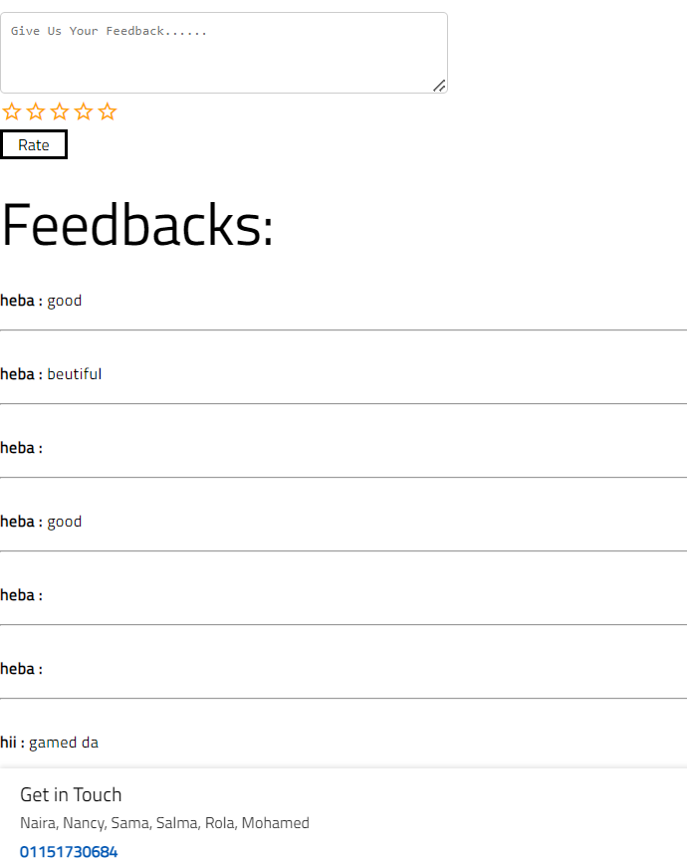
Category | Label | Value
Bug ID | ID number | TC_VI_008
 | Name | Related products section
 | Reporter | Heba Anter
 | Submit Date | 2024-10-11
Bug overview | Summary | Related products section doesn't exist
 | URL | https://stackblitzstartersmiwkqz-3kkx--4200--134daa3c.local-credentialless.webcontainer.io/item/A7eUDwwSt0Nc4a7HLwXm
 | Screenshot (Evidence)
Environment | Platform | Lenovo thinkpad
 | Operating System | Windows11
 | Browser | Chrome v10.1
Bug details | Steps to reproduce | 1. Scroll to the related products section.
 | Expected result | Relataed products section should display
 | Actual result | Related product section doesn't exist
 | Description | N/A
Bug tracking | Severity(Critical - Major - Minor) | Minor
 | Assigned to | Developer
 | Priority | Medium
Notes | Notes

item Bug_TC_VI_010


Category | Label | Value
Bug ID | ID number | TC_VI_010
 | Name | Validate responsiveness on devices
 | Reporter | Heba Anter
 | Submit Date | 2024-10-11
Bug overview | Summary | Page is not responsive on chrome and mobile
 | URL | https://stackblitzstartersmiwkqz-3kkx--4200--134daa3c.local-credentialless.webcontainer.io/item/A7eUDwwSt0Nc4a7HLwXm
 | Screenshot (Evidence)
Environment | Platform | Lenovo thinkpad and OPPO Reno 11F
 | Operating System | Windows11
 | Browser | Chrome v10.1
Bug details | Steps to reproduce | 1. Open item page on mobile and chrome on labtop
 | Expected result | Page is responsive to device sizes.
 | Actual result | Page is not responsive to device sizes.
 | Description | N/A
Bug tracking | Severity(Critical - Major - Minor) | Critcal
 | Assigned to | Developer
 | Priority | High
Notes | Notes

item Bug_TC_VI_012
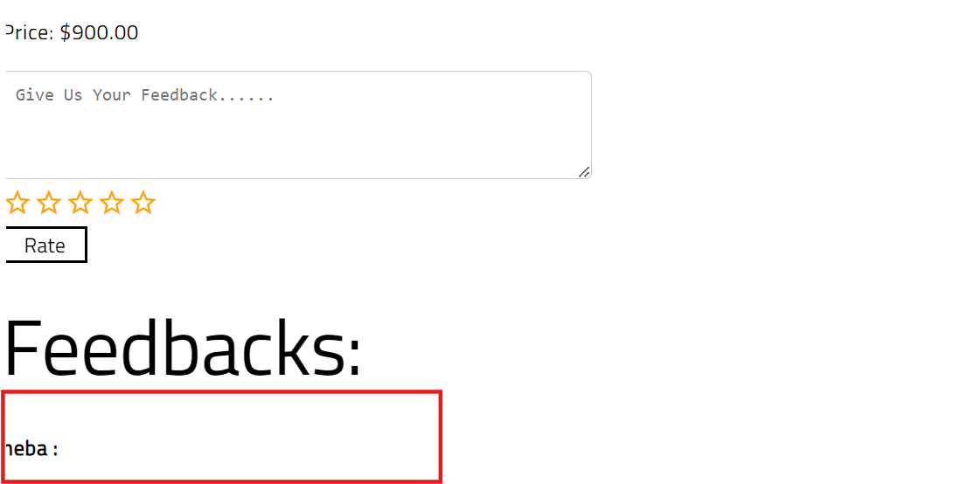
Category | Label | Value
Bug ID | ID number | TC_VI_012
 | Name | Submit Feedback as rating stars without comment
 | Reporter | Heba Anter
 | Submit Date | 2024-10-11
Bug overview | Summary | system doesn't add rating in feedbacks
 | URL | https://stackblitzstartersmiwkqz-3kkx--4200--134daa3c.local-credentialless.webcontainer.io/item/A7eUDwwSt0Nc4a7HLwXm
 | Screenshot (Evidence)
Environment | Platform | Lenovo thinkpad
 | Operating System | Windows11
 | Browser | Chrome v10.1
Bug details | Steps to reproduce | 1. Select star rating (e.g., 5 stars). 2. Click "Rate" button. 3. Enter feedback.
 | Expected result | Feedback is submitted successfully with confirmation message.
 | Actual result | feedback is not visiable
 | Description | N/A
Bug tracking | Severity(Critical - Major - Minor) | Major
 | Assigned to | Developer
 | Priority | Medium
Notes | Notes

item Bug_TC_VI_013
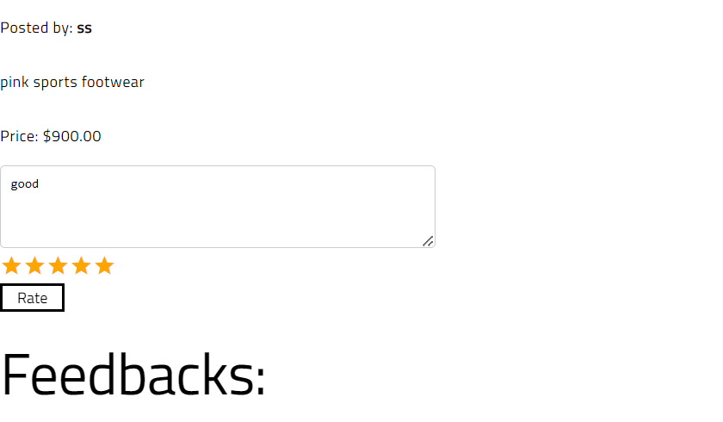
Category | Label | Value
Bug ID | ID number | TC_VI_013
 | Name | Feedback displays without stars
 | Reporter | Heba Anter
 | Submit Date | 2024-10-11
Bug overview | Summary | feedback displays as text only without stars
 | URL | https://stackblitzstartersmiwkqz-3kkx--4200--134daa3c.local-credentialless.webcontainer.io/item/A7eUDwwSt0Nc4a7HLwXm
 | Screenshot (Evidence)
Environment | Platform | Lenovo thinkpad
 | Operating System | Windows11
 | Browser | Chrome v10.1
Bug details | Steps to reproduce | 1. Enter feedback and select five stars 2. Click "Submit."
 | Expected result | feedback should displays as text and stars
 | Actual result | feedback displays as text only
 | Description | N/A
Bug tracking | Severity(Critical - Major - Minor) | Minor
 | Assigned to | Developer
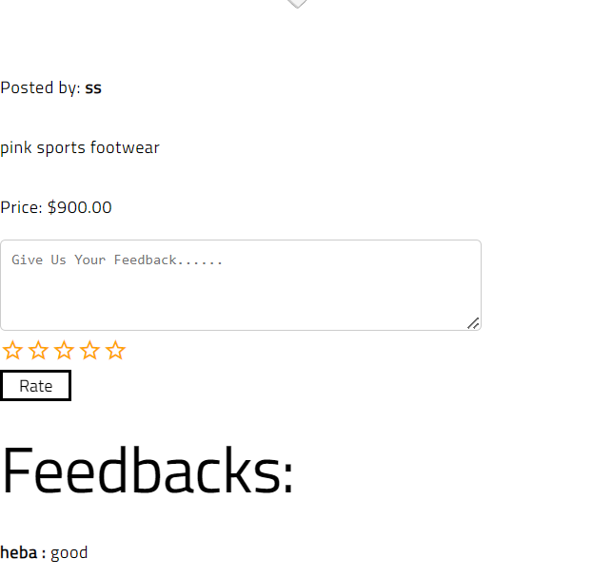
 | Priority | medium
Notes | Notes

purchase Bug_TC_P_002
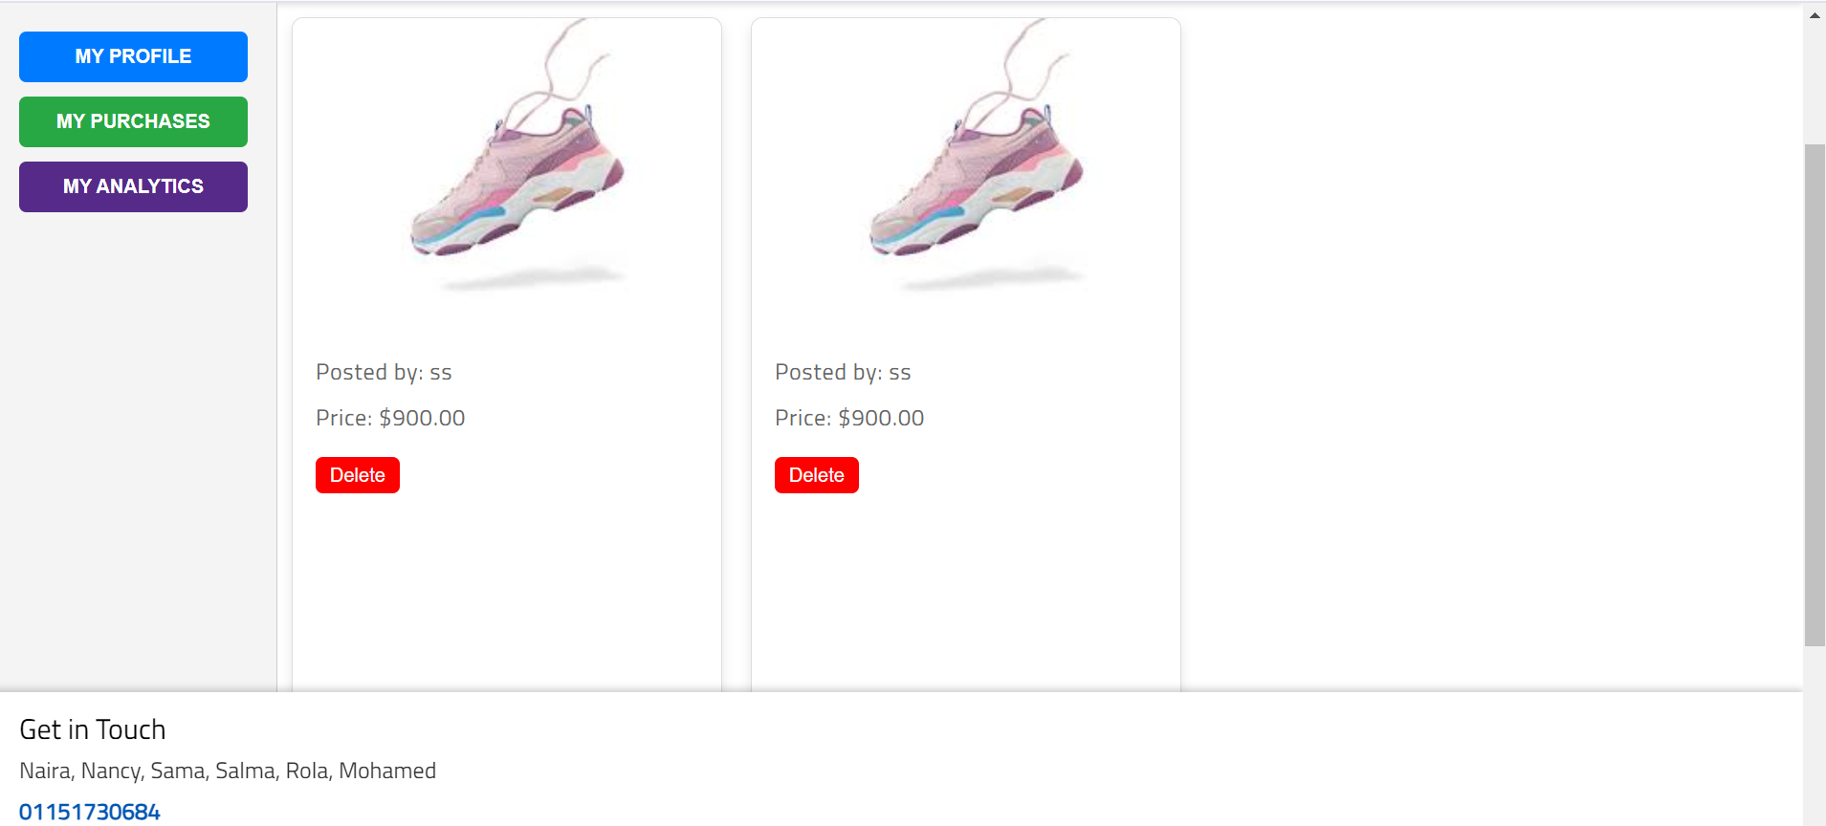
Category | Label | Value
Bug ID | ID number | TC_P_002
 | Name | Ensure date format is consistent
 | Reporter | Heba Anter
 | Submit Date | 2024-10-11
Bug overview | Summary | Date of purchase is not exist
 | URL | https://stackblitzstartersmiwkqz-3kkx--4200--134daa3c.local-credentialless.webcontainer.io/Purchases
 | Screenshot (Evidence)
Environment | Platform | Lenovo thinkpad
 | Operating System | Windows11
 | Browser | Chrome v10.1
Bug details | Steps to reproduce | 1. Access the purchase history page. 2. Ensure date exist
 | Expected result | Date of purchase should display
 | Actual result | Date of purchase is not display
 | Description | N/A
Bug tracking | Severity(Critical - Major - Minor) | Minor
 | Assigned to | Developer
 | Priority | Medium
Notes | Notes

purchase Bug_TC_P_003

Category | Label | Value
Bug ID | ID number | TC_P_003
 | Name | Search Functionality
 | Reporter | Heba Anter
 | Submit Date | 2024-10-11
Bug overview | Summary | System doesn't handdle search with name of product
 | URL | https://stackblitzstartersmiwkqz-3kkx--4200--134daa3c.local-credentialless.webcontainer.io/Purchases
 | Screenshot (Evidence)
Environment | Platform | Lenovo thinkpad
 | Operating System | Windows11
 | Browser | Chrome v10.1
Bug details | Steps to reproduce | 1. Use the search bar to find a specific purchase.
 | Expected result | Relevant purchases matching the search criteria should be displayed.
 | Actual result | Search results are not displayed and white page display
 | Description | N/A
Bug tracking | Severity(Critical - Major - Minor) | Major
 | Assigned to | Developer
 | Priority | Medium
Notes | Notes

purchase Bug_TC_P_004
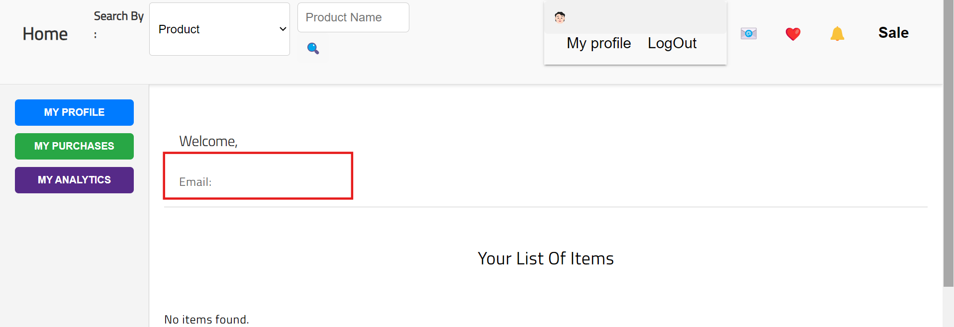
Category | Label | Value
Bug ID | ID number | TC_P_004
 | Name | purchase history is not secure from unauthorized access
 | Reporter | Heba Anter
 | Submit Date | 2024-10-11
Bug overview | Summary | purchase history is not secure from unauthorized access and products of logged out account display
 | URL | https://stackblitzstartersmiwkqz-3kkx--4200--134daa3c.local-credentialless.webcontainer.io/Purchases
 | Screenshot (Evidence)
Environment | Platform | Lenovo thinkpad
 | Operating System | Windows11
 | Browser | Chrome v10.1
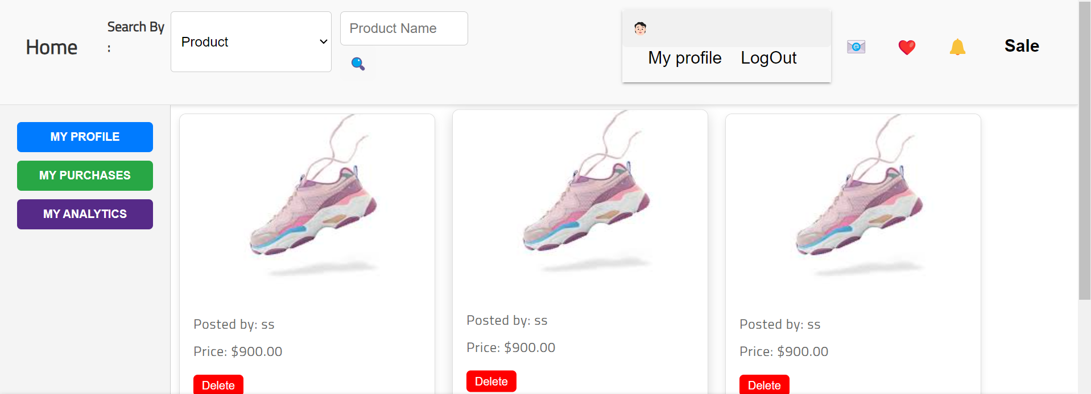
Bug details | Steps to reproduce | 1. Attempt to access purchase history while logged out.
 | Expected result | User is redirected to the login page or sees an access denied message.
 | Actual result | system display products of the account that was logged out
 | Description | N/A
Bug tracking | Severity(Critical - Major - Minor) | Critical
 | Assigned to | Developer
 | Priority | High
Notes | Notes

purchase Bug_TC_P_008
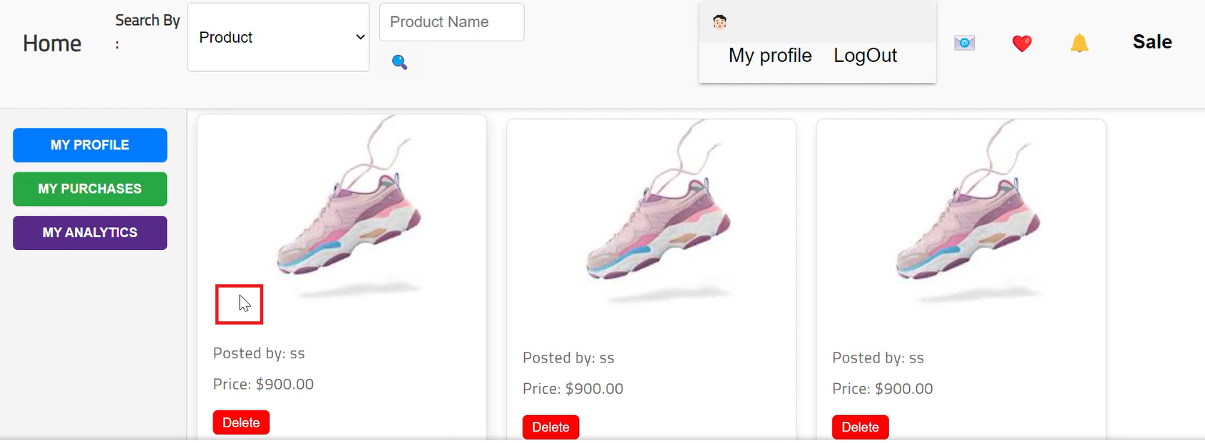
Category | Label | Value
Bug ID | ID number | TC_P_008
 | Name | the item image is not clickable to redirect to item page
 | Reporter | Heba Anter
 | Submit Date | 2024-10-11
Bug overview | Summary | the item image is not clickable and redirect to item page
 | URL | https://stackblitzstartersmiwkqz-3kkx--4200--134daa3c.local-credentialless.webcontainer.io/Purchases
 | Screenshot (Evidence)
Environment | Platform | Lenovo thinkpad
 | Operating System | Windows11
 | Browser | Chrome v10.1
Bug details | Steps to reproduce | 1. Navigate to the purchase history page. 2. Click on the image of specific product. 3. Ensure product page is opened
 | Expected result | Ensure the item image is clickable and redirect to item page
 | Actual result | Product image is not clickable
 | Description | N/A
Bug tracking | Severity(Critical - Major - Minor) | Minor
 | Assigned to | Developer
 | Priority | low
Notes | Notes

